A&CV NOT IN 6.1
Calculation of maximum permissible errors for volumes not listed in tables.

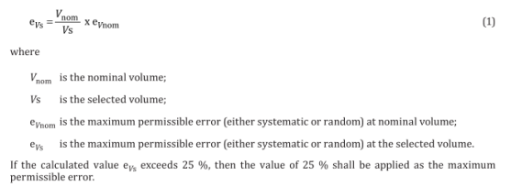

Nominal volume |  | µL

Selected volume |  | µL

Max error at nominal |  | %
(A or CV)

Max error at selected | #DIV/0! | %
volume
(A or CV)

*Random error (CV) will follow along the systematic error (A).

